Instructions
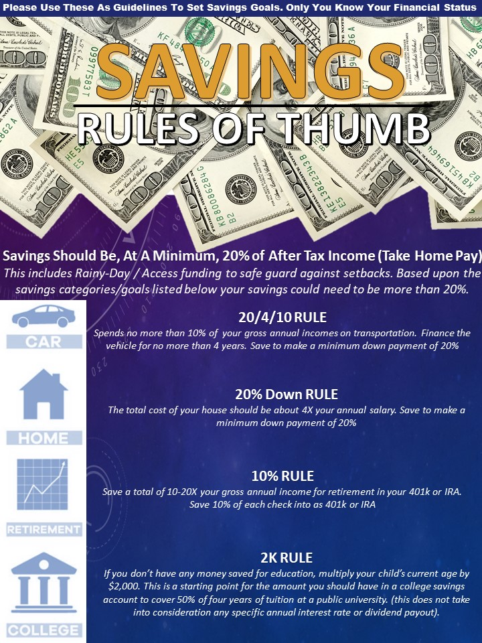
Instructions
This is the instruction tab. (green tab). Refer to this tab with questions and directions on how to complete 'Savings Goal Tracker'
The 'Setting Savings Goals' Tab (see red tab) is for information purposes on how to set goals and why. There is nothing to complete on this tab and should be used for information purposes only.
Each 'Savings Goal Tracker' Tab is for one time period only. (see blue tab) Refer to this tab to complete daily time 'Savings Goal Tracker'

On the 'Savings Goal Tracker' (blue tab), only complete the cells that are shaded in the color 'green'. The gray colored cells contain formulas or necessary information and should not be manipulated.

Update row 4 with names for saving goal category that corresponds to your personal savings goals

Update row 5 with amounts that need to be saved for each saving goal category

Update row 6 with current balances or amounts of money that have already been saved for each saving goal category

Update row 15 - 50 with details about money that was earned and allocated for each savings goal category

NOTE: Refer to and review the information on this tab that references 'savings rules of thumb' on the right side of this page. Please use these guidelines to set savings goals that are comparable to your status. You have to start some where.

NOTE: Review and use the information contained in 'setting savings goals' (red tab) to decide how you will save needed funds quickly. Get $2,000 fast to build initial security with Rainy-Day Fund and then continue to build Access Fund to safe guard against income loss

Setting Savings Goals
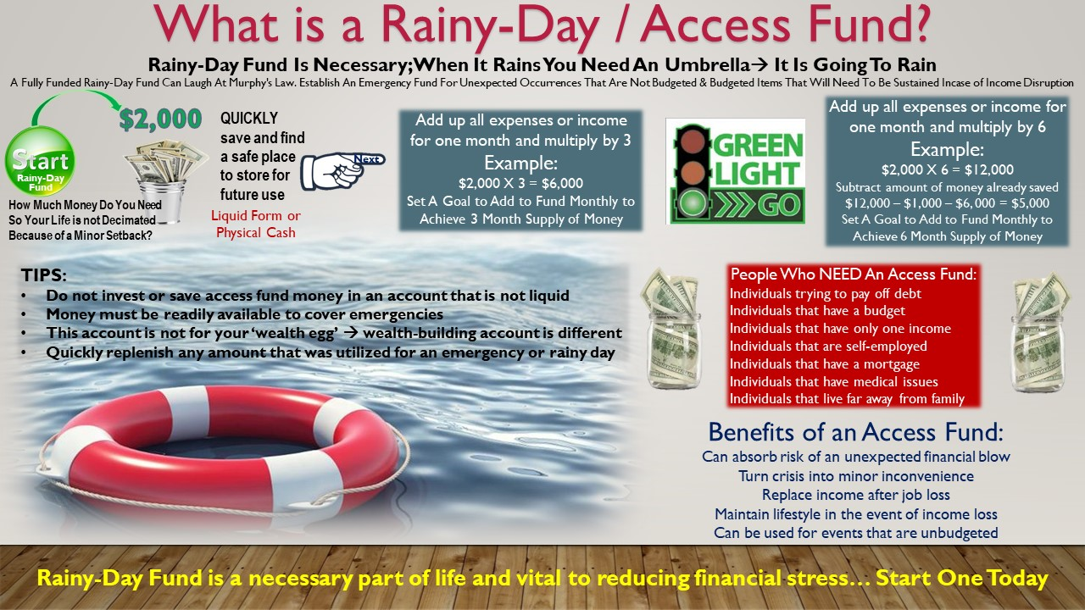
How Much Money Do You Need So Your Life Is Not Decimated Because Of A Minor Setback? | Set a savings goal and stick to it. At a minimum, what is needed for you to not be decimated by a life setback? How much money is that? On average $2,000 is a starting point. Average vehicle repair is between $500 and $600. Average costs to replace home appliances range from $330 to $2,000. Average utility bills and common home repairs are less than $2,000. Average apartment/rental move in costs to include last month's rent, fees and security deposit should not be more than approximately $2,000, depending upon the space and the area. Start saving the money that was shaved from expenses to quickly get the initial $2,000 saved. Saving in a bi-weekly working world translates into 12 paychecks or 12 saving opportunities within a 180 day period, if your goal is to have a specific amount of money in 6 months. To accelerate savings, freelance with a talent or skill that is marketable. You can also freelance with Uber, Lyft, Uber Eats, DoorDash, Instacart or package delivery to establish a leg of income that will assist in quickly saving initial $2,000. There is always a way to increase money or add legs of income to speed goal achievement. This method can be used to establish savings goals for more than Rainy D-Day or Access Fund. Please see Savings Goal Tracker for more savings categories.

