Instructions
Instructions
 | This is the instruction tab. (green tab). Refer to this tab with questions and directions on how to complete 'Use Diary'
 | Each 'Use Diary' Tab is for one day only. (see blue tab) Refer to this tab to complete daily time 'Use Diary'
 | The 'Data' Tab (see red tab) is for workbook functionality. Any manipulation to this tab will affect 'Use Diary' tabs.

Please complete top section completely for each day: Date, Day and Name
Click each column heading for a brief description of section criteria

Column A: "How Much did you enjoy 1=not at all and 10=very much" |  | Column L: "Eisenhower's Principle Label?"
Is a rating scale from 1 to 10. Select your enjoyment level for each listed task |  | See principle information below to properly label each action/task in use diary
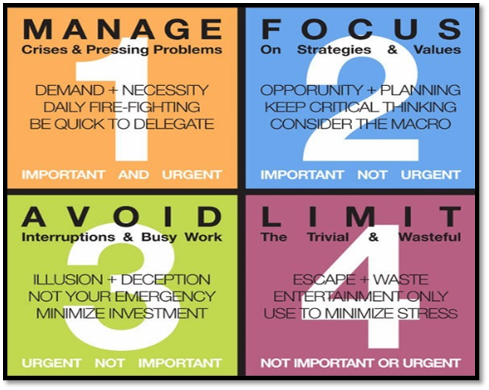
Column B: "Time" |  | Good time management means being effective as well as efficient. Time should be spent on things that are important and not just the ones that are urgent. Important activities have an outcome that leads to goal achievement in any aspect of your life. Urgent activities demand immediate attention because the consequences of not dealing with them are immediate. These activities are often associated with achieving someone else's goals. 1 There are two distinct types of urgent and important activities: ones that you could not have foreseen, and others that you've left until the last minute. If you have a lot of urgent and important activities, identify which of these you could have foreseen, and think about how you could schedule similar activities ahead of time, so that they don't become urgent. 2 These are the activities that help you achieve your personal and professional goals, and complete important work. Make sure that you have plenty of time to do these things properly, so that they do not become urgent. 3 Urgent but not important tasks are things that prevent you from achieving your goals like busy work, interruptions and drama. Ask yourself whether you can reschedule, delegate or delete these tasks. A more common source of such activities is other people. Sometimes it's appropriate to politely say "no" or to encourage others with direction to solve the problem themselves. 4 These activities are just a distraction – avoid them if possible. Some may be activities that other people want you to do, even though they don't contribute to your own desired outcomes. Again, say "no" politely, if you can, and explain why you cannot do it.
Is the time of day that listed task was completed. Nothing to fill out in this section. Use as reference to complete columns D&E.

Column C: "Activity #"
Is an area provided to label each task by the order completed. Add in numbers in sequential order as tasks are completed

Column D&E: "Main Action/Activity/Task"
Describe main action for that time period

Column F&G: "Parallel Action/Activity/Task"
Describe any multi-tasking actions that were completed in parallel with main task

Column H: "With Who?"
Select the category that best suits the parties that were involved in the task

Column I: "Geographical Location / Mode of Transportation"
Record where you were or if you were traveling record type of transportation

Column J: "Did you use a phone, smart phone, tablet, computer?"
Select the device type that was utilized if this type of technology was involved

Column K: "What Need Was Met With Completion of This Task?"
Refer to page #19 in Bringing Home The Bacon: Chapter 1 for need description

